Post-print worksheet
Tips for best results:
1. Allow the print to cool completely before measuring
2. Remove the print from the bed

Measure in this order:
 | 1. x-axis outside | (horizontal in picture)
 | 2. x-axis inside | (horizontal in picture)
 | 3. y-axis outside | (vertical in picture)
 | 4. y-axis inside | (vertical in picture)
 | 5. Diagonals | (Capital D first, then lowercase d)
Along each axis, measurements work from the outside in (see figure)
 |  | ⬐ | Hint: filter out ‘x’ values out of this column
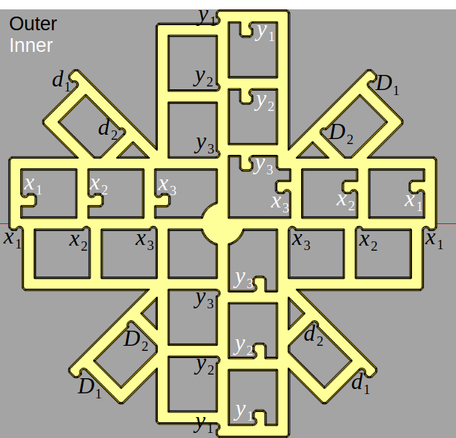
 | Location | Nominal | Measurement 1 | Measurement 2 | Measurement 3 | Average
Outer X | 1 | 120.00
 | 2 | 80.00
 | 3 | 40.00
 |  | x
 |  | x
Inner X | 1 | 120.00
 | 2 | 80.00
 | 3 | 40.00
 |  | x
 |  | x
Outer Y | 1 | 120.00
 | 2 | 80.00
 | 3 | 40.00
 |  | x
 |  | x
Inner Y | 1 | 120.00
 | 2 | 80.00
 | 3 | 40.00
 |  | x
 |  | x
Diagonal (capital D) | 1 | 120.00
 | 2 | 80.00
 |  | x
 |  | x
diagonal (lowercase d) | 1 | 120.00
 | 2 | 80.00
 |  | x
 |  | x

Your measurement is within 0.5mm of expected input (does not mean your printer is calibrated!!)
Your measurement is more than 0.5mm and less than 1mm of the expected input. Please double check your measurement
Your measurement is more than 1mm away from expected input. Did you scale the model and forget to update the scale factor on intro sheet?
For best results, make sure for every outer measurement you have a corresponding inner measurement.

